Level 1. Part 2
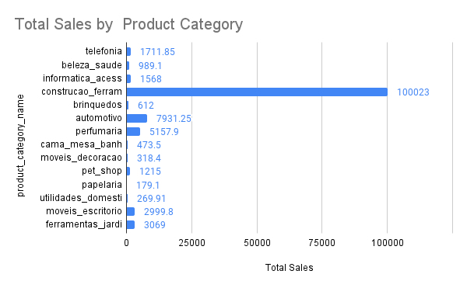
product_category_name | Total Sales
telefonia | 1711.85
beleza_saude | 989.1
informatica_acessorios | 1568
construcao_ferramentas_construcao | 100023
brinquedos | 612
automotivo | 7931.25
perfumaria | 5157.9
cama_mesa_banho | 473.5
moveis_decoracao | 318.4
pet_shop | 1215
papelaria | 179.1
utilidades_domesticas | 269.91
moveis_escritorio | 2999.8
ferramentas_jardim | 3069

